Background
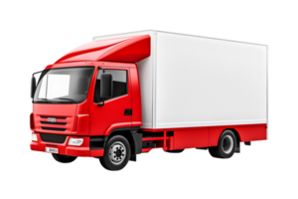
FLEET MANAGEMENT
DASHBOARD

Dashbard
salary | $12,100
wages | $15,100
wages | $15,100
salary | $12,100
 | Buddy wage/trip | Driver wage/trip
Close | $3,100 | $6,400
Far | $600 | $4,000
Regular | $200 | $800
 | Buddy Salary | Driver Salary
Regular | $100 | $400
Far | $500 | $3,400
Close | $2,500 | $5,200
Trips by Month
 | Total
Apr | 4
Aug | 49
Dec | 12
Feb | 16
Jan | 14
Jul | 26
Jun | 24
Mar | 51
May | 5
Nov | 11
Oct | 79
Sep | 9
44%
$12,100
Total Salaries
56%
$15,100
Total Wages
300
Total Trips
314
Total Weight
Trips by Wages
Trips by Salary
$9,000
Driver Salaries
$3,100
Buddy Salaries
$11,200
Driver Wages
$3,900
Buddy Wages
868
Total Distance
km
76
Return
224
One-Way
$27,200
Total Expenses
36
Average Distance
Drivers
FLEET MANAGEMENT
DASHBOARD

Tons

